ACESSORIOS
PS3 CONTROLLER | COMPRADO | COMPRADO | CHECK: | https://lista.mercadolivre.com.br/games/acessorios-consoles/playstation/playstation-3/controles-joysticks/joysticks/playstation/dualshok-3original_NoIndex_True#applied_filter_id%3DBRAND%26applied_filter_name%3DMarca%26applied_filter_order%3D3%26applied_value_id%3D923416%26applied_value_name%3DPlayStation%26applied_value_order%3D1%26applied_value_results%3D121%26is_custom%3Dfalse | https://www.meugameusado.com.br/buscar?q=controle+sony+dualshock+3+-+ps3 | BLACK LIST: | NASCIMENTOMICHELE
PS4 CONSOLE | R$ 1,700.00 | R$ 800.00
PS MOVE | OUT OF STOCK |  |  |  |  |  | R$ 160.00 | COM FRETE
N64 CONTROLE | R$ 150.00
PS3 UDRAW
PS VITA CONSOLE | R$ 1,000.00 | R$ 800.00
PS4 PSMOVE
PS4 VR
PLACA DE VIDEO |  |  | https://www.reddit.com/r/PS3/comments/nw4dl6/regional_game_codes_for_anyone_interested/
CPU |  |  | GAMES WITH LETTER ON AGE CLASSIFICATION MEAN NA
COOLER |  |  | GAMES WITH CERO AND A LETTER ON AGE CLASSIFICATION MEAN JAP
MEMORIA RAM 16GB |  |  | GAMES WITH AGE CLASSIFICATION ON A BUBBLE WITH POINTS MEAN EU
SSD 500GB |  |  | GAMES WITH A LOT OF WARNING IN THE BOTTOM MEAN KOREAN
 |  |  | GAMES WITH AGE CLASSIFICATION ON A SQUARE AND JAPANES TEXT BELLOW MEAN ASIAN
PS VITA CASE |  | R$ 50.00 | GAMES WITH THE PEGI AGE SYSTEM MEAN EU
 |  |  | WHEN IT COMES TO LIMITED GAMES ON VITA PIRAC IS THE BEST SOLUTION
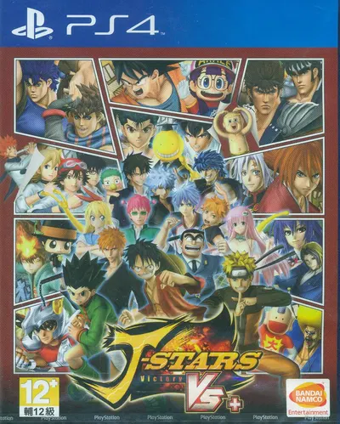
 |  |  | file:///C:/Users/windows%2010/Downloads/EXEMPLO%20JOGO%20COM%20SELO%20thwebp.webp

 |  |  | hon kong/taiwan

